Sheet1
Micro-Frontends (Task1) | View (Task1) | FE services (Task 2) | Components (Task 3 ) | ViewModels (Task 3 )
Login + Client Account details | 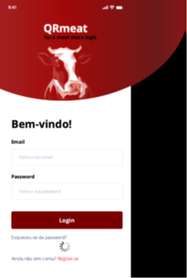 | Do not use LOGIN for nothing more according to the professor

 | 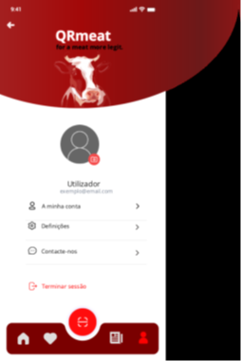

News + Statistics | 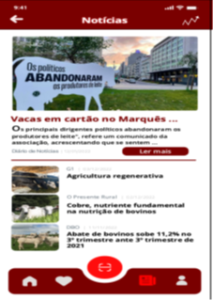 | Read More | Header | props.goBack, props.statistics (we may need to add the State but i need to confirme with the professor)

 |  | Routing to the news page

 |  | Statistics button | Main news | props.readMore

 |  | Routing to Statistics page

 |  | Read any other new | News list | props.readnews

 |  | Routing to the selected new page

 |  | Rerouting to previous view | Footer/Menubar | props.goHome, props.favorites, props.clientaccount, props.news

 | 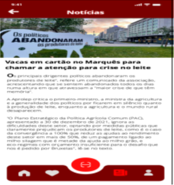 | Rerouting to the news full page | Header | props.goBack

 |  |  | Footer/Menubar | props.goHome, props.favorites, props.clientaccount, props.news

 |  | Statistics information | Header | props.goBack

 |  | Rerouting to the news full page | Footer/Menubar | props.goHome, props.favorites, props.clientaccount, props.news

Select Supermarket + Categories Products and Highlights | 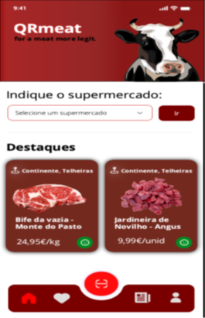 | Select supermarket | Header

 |  | Routing to the selected supermarket
 |  |  | Search supermarket | props.Supermarketlist

 |  | Rerouting to the select supermarket view

 |  |  | Highlights list | props.Highlights
 |  | Select one Highlight

 |  | Rerouting to the previous view | Footer/Menubar | props.goHome, props.favorites, props.clientaccount, props.news

 | 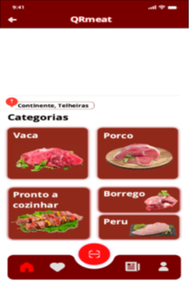 | Select one of the categories | Header | props.goBack

 |  | Rerouting to the categories main page | Categories list | props.Categorieslist

 |  | Routing to the select supermarket view | Footer/Menubar | props.goHome, props.favorites, props.clientaccount, props.news

See feedback + Expand information | 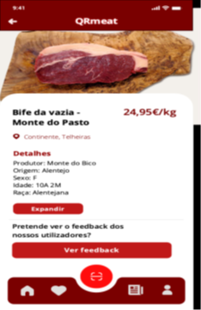

 | 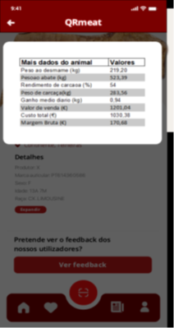

Saved products

